DB9
DB-9 RS-232 Wiring
 |  |  |  |  | View from front of connector
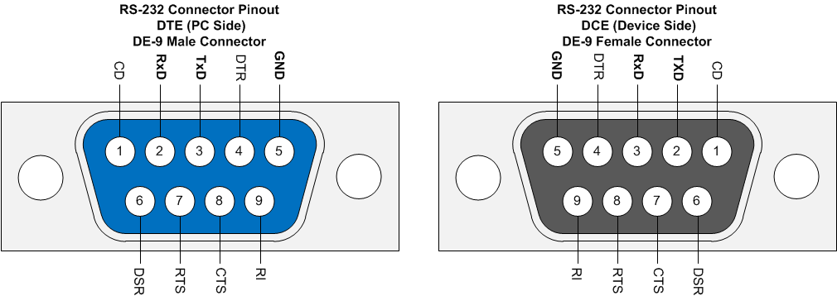
DB9-F | 10-pinFlat
1 | 1
2 | 3
3 | 5
4 | 7
5 | 9
6 | 2
7 | 4
8 | 6
9 | 8
 | 10

Out | DCD (1) | 1 | 2 | DSR (6) | Out
 | TxD (2) | 3 | 4 | CTS (7)
 | RxD (3) | 5 | 6 | RTS (8)
In | DTR (4) | 7 | 8 | RI (9) | Out |  |  | DB9-F | DB9-M
 | GND (5) | 9 | 10 | nc |  |  |  | DTE | DCE
 |  |  |  |  |  | 1 | DCD | In | Out | Data Carrier Detect
 |  |  |  |  |  | 2 | Rx | In | Out | Receive Data
 |  |  |  |  |  | 3 | Tx | Out | In | Transmit Data
 |  |  |  |  |  | 4 | DTR | Out | In | Data Terminal Ready
 |  |  |  |  |  | 5 | GND
 |  |  |  |  |  | 6 | DSR | In | Out | Data Set Ready
 |  |  |  |  |  | 7 | RTS | Out | In | Request To Send
 |  |  |  |  |  | 8 | CTS | In | Out | Clear To Send
 |  |  |  |  |  | 9 | RI | In | Out | Ring Indicator

